P&L AS-IS
Profit and Loss Calculation AS-IS
Legend
Input | Refered from Assumption sheet
Normal | Refered from another sheet
Calculation | Has a formula or calculation
Normal | Break-Even Analysis initial input value
* Please don't type the value directly, change the value in Assumption sheet.

Cost |  |  | Break-Even Analysis
Facility |  |  | TrackR Produce Time | Daily Income | Daily Costs | Daily Profit
Facility Cost / Hour | $50.00 | Assumption 1.11 | 5.57 | $53,841.98 | $54,274.23 | $(432.25)
Total Facility Cost / Day | $1,200.00 |  | 6.00 | 50000.00 | 51103.52 | (1103.52)
Workers |  |  | 5.50 | 54545.45 | 54854.79 | (309.34)
Pay / Day | $7,024.00 | [Workers] "as needed" excluded | 5.00 | 60000.00 | 59356.32 | 643.68
Burden Rate | 23% | Assumption 1.02 | 4.50 | 66666.67 | 64858.19 | 1808.48
Total Pay / Day | $8,639.52 |  | 4.00 | 75000.00 | 71735.52 | 3264.48
TrackR
Produce Minutes / TrackR | 5.57 | Average of Sunny and Rainy
Pickup Minutes / TrackR | 3.11 | [Picking] TrackR Average_Minutes
Total TrackR Work Hours / Day | 40.00 | Tables * hours / day
TrackRs / Hours | 10.77
Total TrackRs / Day | 430.74
Component Cost / TrackR | $93.16 | Component Total_Cost
Marketing Cost / TrackR | $10.00 | Assumption 1.09
Total Cost / TrackR | $103.16
Total TrackR Cost / Day | $44,434.71
Profit
Income / TrackR | $125.00 | Basic Information 2
Total TrackR Income / Day | $53,841.98
Total Costs / Day | $54,274.23
Total Profit / Day | $(432.25)
 |  |  | * Break-Even Point | 5.33

P&L TO-BE
Profit and Loss Calculation TO-BE
Legend
Input | Refered from Assumption sheet
Normal | Refered from another sheet
Calculation | Has a formula or calculation
Normal | Break-Even Analysis initial input value
* Please don't type the value directly, change the value in Assumption sheet.

Cost |  |  | Break-Even Analysis
Facility |  |  | TrackR Produce Time | Daily Income | Daily Costs | Daily Profit
Facility Cost / Hour | $50.00 | Assumption 1.11 | 3.69 | $81,264.11 | $75,908.54 | $5,355.57
Siplace Cost / Day | $577.78 |  | 5.00 | 60000.00 | 58359.70 | 1640.30
Total Facility Cost / Day | $1,777.78 |  | 4.50 | 66666.67 | 63861.56 | 2805.10
Workers |  |  | 4.00 | 75000.00 | 70738.90 | 4261.10
Pay / Day | $5,744.00 | [Workers] "as needed" excluded | 3.50 | 85714.29 | 79581.18 | 6133.10
Burden Rate | 23% | Assumption 1.02 | 3.00 | 100000.00 | 91370.90 | 8629.10
Total Pay / Day | $7,065.12
TrackR
Produce Minutes / TrackR | 3.69 | Average of Sunny and Rainy
Pickup Minutes / TrackR | 1.98 | [Picking] TrackR Average_Minutes
Total TrackR Work Hours / Day | 40.00 | Tables * hours / day
TrackRs / Hours | 16.25
Total TrackRs / Day | 650.11
Component Cost / TrackR | $93.16 | Component Total_Cost
Marketing Cost / TrackR | $10.00 | Assumption 1.09
Total Cost / TrackR | $103.16
Total TrackR Cost / Day | $67,065.64
Profit
Income / TrackR | $125.00 | Basic Information 2
Total TrackR Income / Day | $81,264.11
Total Costs / Day | $75,908.54
Total Profit / Day | $5,355.57 |  | * Break-Even Point | 5.93

Rainy Day AS-IS
Rainy Day Sample Calculation
When the assembly process does not have 100% reliability
Labour Cost
$23.33 | per hour
$0.00648 | per second

Task | Action | Duration | Duration to Task | Labour Task Value | Labour to task | Component | Component Cost | Total to Task | Fail Rate | Action to take | Time | Labour cost | Component Cost2 | Total Time to task with 1 fail and good repeat | Total Cost | Reliability | Reliabilty to task
1 | Unpacking | 14 | 14 | $0.09 | $0.09 | MPC432119-2 | $6.61 | $6.70 | 0 |  |  |  |  | 14 | $6.70 | 100.00% | 100.00%
2 | Inspecting | 10 | 24 | $0.06 | $0.16 | MPC432119-2 |  | $6.77 | 2% | Repeat Actions 1 | 27 | $0.18 | $6.61 | 51 | $13.55 | 98.00% | 98.00%
3 | Inserting | 3 | 27 | $0.02 | $0.18 | MPC44422 | $0.08 | $6.87 | 0 |  |  |  |  | 54 | $13.65 | 100.00% | 98.00%
4 | Depress and Insert | 7 | 34 | $0.05 | $0.22 | LS1121 | $3.00 | $9.91 | 0 |  |  |  |  | 61 | $16.70 | 100.00% | 98.00%
5 | Tug Testing | 2 | 36 | $0.01 | $0.23 |  |  | $9.92 | 5.20% | Repeat Actions 2 | 29 | $0.19 | $9.69 | 92 | $26.59 | 94.80% | 92.90%
6 | Placing | 6.6 | 42.6 | $0.04 | $0.28 | SDMALBB3033G | $4.00 | $13.97 | 0 |  |  |  |  | 98.6 | $30.63 | 100.00% | 92.90%
7 | Soldering | 20 | 62.6 | $0.13 | $0.41 | FnOFI-GN1212 | $14.99 | $29.09 | 0 |  |  |  |  | 118.6 | $45.75 | 100.00% | 92.90%
8 | Visual examination | 30 | 92.6 | $0.19 | $0.60 |  |  | $29.28 | 2% | Repeat Actions 3 | 61 | $0.40 |  | 209.6 | $46.34 | 98.00% | 91.05%
9 | Clamp | 24 | 116.6 | $0.16 | $0.76 | LS1121 |  | $29.44 | 0 |  |  |  |  | 233.6 | $46.49 | 100.00% | 91.05%
10 | Cold-soldering | 12 | 128.6 | $0.08 | $0.83 | HG213123-221 | $0.57 | $30.08 | 0 |  |  |  |  | 245.6 | $47.14 | 100.00% | 91.05%
11 | Bond Checking | 6 | 134.6 | $0.04 | $0.87 |  |  | $30.12 | 0 |  |  |  |  | 251.6 | $47.18 | 100.00% | 91.05%
12 | Tug Testing | 2 | 136.6 | $0.01 | $0.89 |  |  | $30.14 | 6.80% | Repeat Actions 4 | 62 | $0.40 | $5.03 | 315.6 | $52.63 | 93.20% | 84.85%
13 | Mountinng | 4.4 | 141 | $0.03 | $0.91 | BD2098733AAB | $4.15 | $34.31 | 0 |  |  |  |  | 320 | $56.80 | 100.00% | 84.85%
14 | Soldering | 8.8 | 149.8 | $0.06 | $0.97 | STMA11233 | $0.31 | $34.68 | 0 |  |  |  |  | 328.8 | $57.17 | 100.00% | 84.85%
15 | Bonding of solder | 6 | 155.8 | $0.04 | $1.01 |  |  | $34.72 | 0 |  |  |  |  | 334.8 | $57.21 | 100.00% | 84.85%
16 | Tug testing | 2 | 157.8 | $0.01 | $1.02 |  |  | $34.73 | 0.0% | Repeat Actions 5 | 36.8 | $0.24 | $0.88 | 373.6 | $58.34 | 100.00% | 84.85%
17 | Inserting | 1.2 | 159 | $0.01 | $1.03 | BLE112 | $2.00 | $36.74 | 0 |  |  |  |  | 374.8 | $60.35 | 100.00% | 84.85%
18 | Inserting | 1.2 | 160.2 | $0.01 | $1.04 | BD20911131BB | $1.88 | $38.63 | 0 |  |  |  |  | 376 | $62.24 | 100.00% | 84.85%
19 | Placing | 12 | 172.2 | $0.08 | $1.12 | SFLV25 | $17.42 | $56.13 | 3% | Repeat Actions 6 | 34.4 | $0.22 | $21.30 | 422.4 | $101.26 | 97.00% | 82.31%
20 | Inserting | 8 | 180.2 | $0.05 | $1.17 | SS98AAIS | $38.15 | $94.33 | 0 |  |  |  |  | 430.4 | $139.46 | 100.00% | 82.31%
21 | Remove from Clamp | 13.3 | 193.5 | $0.09 | $1.25 | TrackR |  | $94.41 | 0 |  |  |  |  | 443.7 | $139.55 | 100.00% | 82.31%
22 | Sealing | 10 | 203.5 | $0.06 | $1.32 | TrackR |  | $94.48 | 0 |  |  |  |  | 453.7 | $139.61 | 100.00% | 82.31%
23 | Heat testing | 10 | 213.5 | $0.06 | $1.38 | TrackR |  | $94.54 | 9.50% | Repeat Actions 7 | 41.6 | $0.27 | $9.69 | 505.3 | $149.64 | 90.50% | 74.49%
24 | Radio activity testing | 40 | 253.5 | $0.26 | $1.64 | TrackR |  | $94.80 | 1.70% | Repeat Actions 8 | 10 | $0.06 |  | 555.3 | $149.96 | 98.30% | 73.22%
Total |  | 253.5 |  | $1.64 |  |  | $93.16 |  |  |  |  |  |  | 555.3

Regular v/s Build with Failure
 | Duration to Task | Total Time to task with 1 fail and good repeat
 | 14 | 14
 | 24 | 51
 | 27 | 54
 | 34 | 61
 | 36 | 92
 | 42.6 | 98.6
 | 62.6 | 118.6
 | 92.6 | 209.6
 | 116.6 | 233.6
 | 128.6 | 245.6
 | 134.6 | 251.6
 | 136.6 | 315.6
 | 141 | 320
 | 149.8 | 328.8
 | 155.8 | 334.8
 | 157.8 | 373.6
 | 159 | 374.8
 | 160.2 | 376
 | 172.2 | 422.4
 | 180.2 | 430.4
 | 193.5 | 443.7
 | 203.5 | 453.7
 | 213.5 | 505.3
 | 253.5 | 555.3
On fail- Repeat Actions 1
Task | Action | Duration(s) | Total Duration | Labour Task value | Labour Total to Task | Component ID | Component cost | Total Cost |  | Component | ComponentID
1 | Walking | 4 | 4 | $0.03 | $0.03 |  |  | $0.03 |  | MPC432119-2 | A
2 | Place on return shelf | 2 | 6 | $0.01 | $0.04 |  |  | $0.04 |  | MPC44422 | B
3 | Walking | 4 | 10 | $0.03 | $0.06 |  |  | $0.06 |  | SFLV25 | C
4 | Get new component | 3 | 13 | $0.02 | $0.08 | A | $6.61 | $6.69 |  | FnOFI-GN1212 | D
5 | Walking | 4 | 17 | $0.03 | $0.11 |  |  | $6.72 |  | BD2098733AAB | E
6 | Unpacking | 3 | 20 | $0.02 | $0.13 |  |  | $6.74 |  | BD20911131BB | F
7 | Inspecting | 7 | 27 | $0.05 | $0.18 |  |  | $6.79 |  | HG213123-221 | G
 |  |  |  |  |  |  |  |  |  | STMA11233 | H
On fail- Repeat Actions 2 |  |  |  |  |  |  |  |  |  | SS98AAIS | I
Task | Action | Duration(s) | Total Duration | Labour Task value | Labour Total to Task | Component | Component cost | Total Cost |  | SDMALBB3033G | J
1 | Walking | 4 | 4 | $0.03 | $0.03 |  |  | $0.03 |  | BLE112 | K
2 | Place on return shelf | 2 | 6 | $0.01 | $0.04 |  |  | $0.04 |  | LS1121 | L
3 | Walking | 4 | 10 | $0.03 | $0.06 | A,B,L | $9.69 | $9.75
4 | Get new component | 3 | 13 | $0.02 | $0.08 |  |  | $9.77
5 | Walking | 4 | 17 | $0.03 | $0.11 |  |  | $9.80
6 | Unpacking | 3 | 20 | $0.02 | $0.13 |  |  | $9.82
7 | Depress & insert | 7 | 27 | $0.05 | $0.18 |  |  | $9.87
8 | Tug Testing | 2 | 29 | $0.01 | $0.19 |  |  | $9.88

On fail- Repeat Actions 3
Task | Action | Duration(s) | Total Duration | Labour Task value | Labour Total to Task | Component | Component cost | Total Cost
1 | Clean Solder Board | 11 | 11 | $0.07 | $0.07 |  |  | $0.07
2 | Solder Again | 20 | 31 | $0.13 | $0.20 |  |  | $0.20
3 | Visual Examination | 30 | 61 | $0.19 | $0.40 |  |  | $0.40

On fail- Repeat Actions 4
Task | Action | Duration(s) | Total Duration | Labour Task value | Labour Total to Task | Component | Component cost | Total Cost
1 | Clean up performed | 14 | 14 | $0.09 | $0.09 |  |  | $0.09
2 | Record loss in system | 8 | 22 | $0.05 | $0.14 |  |  | $0.14
3 | Walking | 4 | 26 | $0.03 | $0.17 |  |  | $0.17
4 | Place on return shelf | 2 | 28 | $0.01 | $0.18 |  |  | $0.18
5 | Walking | 4 | 32 | $0.03 | $0.21 |  |  | $0.21
6 | Get new component | 3 | 35 | $0.02 | $0.23 | E,G,H | $5.03 | $5.26
7 | Walking | 4 | 39 | $0.03 | $0.25 |  |  | $5.28
8 | Unpacking | 3 | 42 | $0.02 | $0.27 |  |  | $5.30
9 | Cold-solder | 12 | 54 | $0.08 | $0.35 |  |  | $5.38
10 | Check proper bonding of solder | 6 | 60 | $0.04 | $0.39 |  |  | $5.42
11 | Tug Testing | 2 | 62 | $0.01 | $0.40 |  |  | $5.43

On fail- Repeat Actions 5
Task | Action | Duration(s) | Total Duration | Labour Task value | Labour Total to Task | Component | Component cost | Total Cost
1 | Walking | 4 | 4 | $0.03 | $0.03 |  |  | $0.03
2 | Place on return shelf | 2 | 6 | $0.01 | $0.04 |  |  | $0.04
3 | Walking | 4 | 10 | $0.03 | $0.06 |  |  | $0.06
4 | Get new component | 3 | 13 | $0.02 | $0.08 | G,H | $0.88 | $0.96
5 | Walking | 4 | 17 | $0.03 | $0.11 |  |  | $0.99
6 | Unpacking | 3 | 20 | $0.02 | $0.13 |  |  | $1.01
7 | Solder | 8.8 | 28.8 | $0.06 | $0.19 |  |  | $1.07
8 | Bonding of solder | 6 | 34.8 | $0.04 | $0.23 |  |  | $1.11
9 | Tug Testing | 2 | 36.8 | $0.01 | $0.24 |  |  | $1.12

On fail- Repeat Actions 6
Task | Action | Duration(s) | Total Duration | Labour Task value | Labour Total to Task | Component | Component cost | Total Cost
1 | Walking | 4 | 4 | $0.03 | $0.03 |  |  | $0.03
2 | Place on return shelf | 2 | 6 | $0.01 | $0.04 |  |  | $0.04
3 | Walking | 4 | 10 | $0.03 | $0.06 |  |  | $0.06
4 | Get new components | 3 | 13 | $0.02 | $0.08 | C,F,K | $21.30 | $21.38
5 | Walking | 4 | 17 | $0.03 | $0.11 |  |  | $21.41
6 | Unpacking | 3 | 20 | $0.02 | $0.13 |  |  | $21.43
7 | Insert | 1.2 | 21.2 | $0.01 | $0.14 |  |  | $21.44
8 | Insert | 1.2 | 22.4 | $0.01 | $0.15 |  |  | $21.45
9 | Place SFLV25 | 12 | 34.4 | $0.08 | $0.22 |  |  | $21.52

On fail- Repeat Actions 7
Task | Action | Duration(s) | Total Duration | Labour Task value | Labour Total to Task | Component | Component cost | Total Cost
1 | Cut off & discard | 18 | 18 | $0.12 | $0.12 |  |  | $0.12
2 | Walking | 4 | 22 | $0.03 | $0.14 |  |  | $0.14
3 | Place on return shelf | 2 | 24 | $0.01 | $0.16 |  |  | $0.16
4 | Walking | 4 | 28 | $0.03 | $0.18 |  |  | $0.18
5 | Get new components | 3 | 31 | $0.02 | $0.20 | A,B,L | $9.69 | $9.89
6 | Walking | 4 | 35 | $0.03 | $0.23 |  |  | $9.92
7 | Unpacking | 3 | 38 | $0.02 | $0.25 |  |  | $9.94
8 | Insert | 3.6 | 41.6 | $0.02 | $0.27 |  |  | $9.96

On fail- Repeat Actions 8
Task | Action | Duration(s) | Total Duration | Labour Task value | Labour Total to Task | Component | Component cost | Total Cost
1 | Walking | 4 | 4 | $0.03 | $0.03 |  |  | $0.03
2 | Place on return shelf | 2 | 6 | $0.01 | $0.04 |  |  | $0.04
3 | Walking | 4 | 10 | $0.03 | $0.06 |  |  | $0.06

Rainy Day TO-BE
Rainy Day Sample Calculation
When the assembly process does not have 100% reliability
Labour Cost
$23.33 | per hour
$0.00648 | per second

Task | Action | Duration | Duration to Task | Labour Task Value | Labour to task | Component | Component Cost | Total to Task | Fail Rate | Action to take | Time | Labour cost | Component Cost2 | Total Time to task with 1 fail and good repeat | Total Cost | Reliability | Reliabilty to task
1 | Unpacking | 14 | 14 | $0.09 | $0.09 | MPC432119-2 | $6.61 | $6.70 | 0 |  |  |  |  | 14 | $6.70 | 100.00% | 100.00%
2 | Inspecting | 10 | 24 | $0.06 | $0.16 | MPC432119-2 |  | $6.77 | 0% | Repeat Actions 1 | 0 | $0.00 | $6.61 | 24 | $13.38 | 100.00% | 100.00%
3 | Inserting | 3 | 27 | $0.02 | $0.18 | MPC44422 | $0.08 | $6.87 | 0 |  |  |  |  | 27 | $13.48 | 100.00% | 100.00%
4 | Depress and Insert | 7 | 34 | $0.05 | $0.22 | LS1121 | $3.00 | $9.91 | 0 |  |  |  |  | 34 | $16.52 | 100.00% | 100.00%
5 | Tug Testing | 2 | 36 | $0.01 | $0.23 |  |  | $9.92 | 5.20% | Repeat Actions 2 | 29 | $0.19 | $9.69 | 65 | $26.41 | 94.80% | 94.80%
6 | Placing | 6.6 | 42.6 | $0.04 | $0.28 | SDMALBB3033G | $4.00 | $13.97 | 0 |  |  |  |  | 71.6 | $30.45 | 100.00% | 94.80%
7 | Soldering | 20 | 62.6 | $0.13 | $0.41 | FnOFI-GN1212 | $14.99 | $29.09 | 0 |  |  |  |  | 91.6 | $45.57 | 100.00% | 94.80%
8 | Visual examination | 30 | 92.6 | $0.19 | $0.60 |  |  | $29.28 | 2% | Repeat Actions 3 | 61 | $0.40 |  | 182.6 | $46.16 | 98.00% | 92.90%
9 | Clamp | 24 | 116.6 | $0.16 | $0.76 | LS1121 |  | $29.44 | 0 |  |  |  |  | 206.6 | $46.32 | 100.00% | 92.90%
10 | Cold-soldering | 0.7 | 117.3 | $0.00 | $0.76 | HG213123-221 | $0.57 | $30.01 | 0 |  |  |  |  | 207.3 | $46.89 | 100.00% | 92.90%
11 | Bond Checking | 0.7 | 118 | $0.00 | $0.76 |  |  | $30.01 | 0 |  |  |  |  | 208 | $46.90 | 100.00% | 92.90%
12 | Tug Testing | 2 | 120 | $0.01 | $0.78 |  |  | $30.03 | 0.30% | Repeat Actions 4 | 62 | $0.40 | $5.03 | 272 | $52.34 | 99.70% | 92.63%
13 | Mountinng | 4.4 | 124.4 | $0.03 | $0.81 | BD2098733AAB | $4.15 | $34.21 | 0 |  |  |  |  | 276.4 | $56.52 | 100.00% | 92.63%
14 | Soldering | 0.7 | 125.1 | $0.00 | $0.81 | STMA11233 | $0.31 | $34.52 | 0 |  |  |  |  | 277.1 | $56.84 | 100.00% | 92.63%
15 | Bonding of solder | 0.7 | 125.8 | $0.00 | $0.82 |  |  | $34.53 | 0 |  |  |  |  | 277.8 | $56.84 | 100.00% | 92.63%
16 | Tug testing | 0 | 125.8 | $0.00 | $0.82 |  |  | $34.53 | 0.0% | Repeat Actions 5 | 0 | $0.00 | $0.88 | 277.8 | $57.72 | 100.00% | 92.63%
17 | Inserting | 1.2 | 127 | $0.01 | $0.82 | BLE112 | $2.00 | $36.53 | 0 |  |  |  |  | 279 | $59.73 | 100.00% | 92.63%
18 | Inserting | 1.2 | 128.2 | $0.01 | $0.83 | BD20911131BB | $1.88 | $38.42 | 0 |  |  |  |  | 280.2 | $61.62 | 100.00% | 92.63%
19 | Placing | 12 | 140.2 | $0.08 | $0.91 | SFLV25 | $17.42 | $55.92 | 3% | Repeat Actions 6 | 34.4 | $0.22 | $21.30 | 326.6 | $100.64 | 97.00% | 89.85%
20 | Inserting | 8 | 148.2 | $0.05 | $0.96 | SS98AAIS | $38.15 | $94.12 | 0 |  |  |  |  | 334.6 | $138.84 | 100.00% | 89.85%
21 | Remove from Clamp | 13.3 | 161.5 | $0.09 | $1.05 | TrackR |  | $94.21 | 0 |  |  |  |  | 347.9 | $138.92 | 100.00% | 89.85%
22 | Adhesive Tape Sealing | 10 | 171.5 | $0.06 | $1.11 | TrackR |  | $94.27 | 0 |  |  |  |  | 357.9 | $138.99 | 100.00% | 89.85%
23 | Heat testing | 10 | 181.5 | $0.06 | $1.18 | TrackR |  | $94.34 | 4.75% | Repeat Actions 7 | 41.6 | $0.27 | $9.69 | 409.5 | $149.01 | 95.25% | 85.58%
24 | Radio activity testing | 40 | 221.5 | $0.26 | $1.44 | TrackR |  | $94.60 | 1.70% | Repeat Actions 8 | 10 | $0.06 |  | 459.5 | $149.34 | 98.30% | 84.12%
Total |  | 221.5 |  | $1.44 |  |  | $93.16 |  |  |  |  |  |  | 459.5

Regular v/s Build with Failure
 | Duration to Task | Total Time to task with 1 fail and good repeat
 | 14 | 14
 | 24 | 51
 | 27 | 54
 | 34 | 61
 | 36 | 92
 | 42.6 | 98.6
 | 62.6 | 118.6
 | 92.6 | 209.6
 | 116.6 | 233.6
 | 128.6 | 245.6
 | 134.6 | 251.6
 | 136.6 | 315.6
 | 141 | 320
 | 149.8 | 328.8
 | 155.8 | 334.8
 | 157.8 | 373.6
 | 159 | 374.8
 | 160.2 | 376
 | 172.2 | 422.4
 | 180.2 | 430.4
 | 193.5 | 443.7
 | 203.5 | 453.7
 | 213.5 | 505.3
 | 253.5 | 555.3
On fail- Repeat Actions 1
Task | Action | Duration(s) | Total Duration | Labour Task value | Labour Total to Task | Component ID | Component cost | Total Cost |  | Component | ComponentID
1 | Walking | 4 | 4 | $0.03 | $0.03 |  |  | $0.03 |  | MPC432119-2 | A
2 | Place on return shelf | 2 | 6 | $0.01 | $0.04 |  |  | $0.04 |  | MPC44422 | B
3 | Walking | 4 | 10 | $0.03 | $0.06 |  |  | $0.06 |  | SFLV25 | C
4 | Get new component | 3 | 13 | $0.02 | $0.08 | A | $6.61 | $6.69 |  | FnOFI-GN1212 | D
5 | Walking | 4 | 17 | $0.03 | $0.11 |  |  | $6.72 |  | BD2098733AAB | E
6 | Unpacking | 3 | 20 | $0.02 | $0.13 |  |  | $6.74 |  | BD20911131BB | F
7 | Inspecting | 7 | 27 | $0.05 | $0.18 |  |  | $6.79 |  | HG213123-221 | G
 |  |  |  |  |  |  |  |  |  | STMA11233 | H
On fail- Repeat Actions 2 |  |  |  |  |  |  |  |  |  | SS98AAIS | I
Task | Action | Duration(s) | Total Duration | Labour Task value | Labour Total to Task | Component | Component cost | Total Cost |  | SDMALBB3033G | J
1 | Walking | 4 | 4 | $0.03 | $0.03 |  |  | $0.03 |  | BLE112 | K
2 | Place on return shelf | 2 | 6 | $0.01 | $0.04 |  |  | $0.04 |  | LS1121 | L
3 | Walking | 4 | 10 | $0.03 | $0.06 | A,B,L | $9.69 | $9.75
4 | Get new component | 3 | 13 | $0.02 | $0.08 |  |  | $9.77
5 | Walking | 4 | 17 | $0.03 | $0.11 |  |  | $9.80
6 | Unpacking | 3 | 20 | $0.02 | $0.13 |  |  | $9.82
7 | Depress & insert | 7 | 27 | $0.05 | $0.18 |  |  | $9.87
8 | Tug Testing | 2 | 29 | $0.01 | $0.19 |  |  | $9.88

On fail- Repeat Actions 3
Task | Action | Duration(s) | Total Duration | Labour Task value | Labour Total to Task | Component | Component cost | Total Cost
1 | Clean Solder Board | 11 | 11 | $0.07 | $0.07 |  |  | $0.07
2 | Solder Again | 20 | 31 | $0.13 | $0.20 |  |  | $0.20
3 | Visual Examination | 30 | 61 | $0.19 | $0.40 |  |  | $0.40

On fail- Repeat Actions 4
Task | Action | Duration(s) | Total Duration | Labour Task value | Labour Total to Task | Component | Component cost | Total Cost
1 | Clean up performed | 14 | 14 | $0.09 | $0.09 |  |  | $0.09
2 | Record loss in system | 8 | 22 | $0.05 | $0.14 |  |  | $0.14
3 | Walking | 4 | 26 | $0.03 | $0.17 |  |  | $0.17
4 | Place on return shelf | 2 | 28 | $0.01 | $0.18 |  |  | $0.18
5 | Walking | 4 | 32 | $0.03 | $0.21 |  |  | $0.21
6 | Get new component | 3 | 35 | $0.02 | $0.23 | E,G,H | $5.03 | $5.26
7 | Walking | 4 | 39 | $0.03 | $0.25 |  |  | $5.28
8 | Unpacking | 3 | 42 | $0.02 | $0.27 |  |  | $5.30
9 | Cold-solder | 12 | 54 | $0.08 | $0.35 |  |  | $5.38
10 | Check proper bonding of solder | 6 | 60 | $0.04 | $0.39 |  |  | $5.42
11 | Tug Testing | 2 | 62 | $0.01 | $0.40 |  |  | $5.43

On fail- Repeat Actions 5
Task | Action | Duration(s) | Total Duration | Labour Task value | Labour Total to Task | Component | Component cost | Total Cost
1 | Walking | 4 | 4 | $0.03 | $0.03 |  |  | $0.03
2 | Place on return shelf | 2 | 6 | $0.01 | $0.04 |  |  | $0.04
3 | Walking | 4 | 10 | $0.03 | $0.06 |  |  | $0.06
4 | Get new component | 3 | 13 | $0.02 | $0.08 | G,H | $0.88 | $0.96
5 | Walking | 4 | 17 | $0.03 | $0.11 |  |  | $0.99
6 | Unpacking | 3 | 20 | $0.02 | $0.13 |  |  | $1.01
7 | Solder | 8.8 | 28.8 | $0.06 | $0.19 |  |  | $1.07
8 | Bonding of solder | 6 | 34.8 | $0.04 | $0.23 |  |  | $1.11
9 | Tug Testing | 2 | 36.8 | $0.01 | $0.24 |  |  | $1.12

On fail- Repeat Actions 6
Task | Action | Duration(s) | Total Duration | Labour Task value | Labour Total to Task | Component | Component cost | Total Cost
1 | Walking | 4 | 4 | $0.03 | $0.03 |  |  | $0.03
2 | Place on return shelf | 2 | 6 | $0.01 | $0.04 |  |  | $0.04
3 | Walking | 4 | 10 | $0.03 | $0.06 |  |  | $0.06
4 | Get new components | 3 | 13 | $0.02 | $0.08 | C,F,K | $21.30 | $21.38
5 | Walking | 4 | 17 | $0.03 | $0.11 |  |  | $21.41
6 | Unpacking | 3 | 20 | $0.02 | $0.13 |  |  | $21.43
7 | Insert | 1.2 | 21.2 | $0.01 | $0.14 |  |  | $21.44
8 | Insert | 1.2 | 22.4 | $0.01 | $0.15 |  |  | $21.45
9 | Place SFLV25 | 12 | 34.4 | $0.08 | $0.22 |  |  | $21.52

On fail- Repeat Actions 7
Task | Action | Duration(s) | Total Duration | Labour Task value | Labour Total to Task | Component | Component cost | Total Cost
1 | Cut off & discard | 18 | 18 | $0.12 | $0.12 |  |  | $0.12
2 | Walking | 4 | 22 | $0.03 | $0.14 |  |  | $0.14
3 | Place on return shelf | 2 | 24 | $0.01 | $0.16 |  |  | $0.16
4 | Walking | 4 | 28 | $0.03 | $0.18 |  |  | $0.18
5 | Get new components | 3 | 31 | $0.02 | $0.20 | A,B,L | $9.69 | $9.89
6 | Walking | 4 | 35 | $0.03 | $0.23 |  |  | $9.92
7 | Unpacking | 3 | 38 | $0.02 | $0.25 |  |  | $9.94
8 | Insert | 3.6 | 41.6 | $0.02 | $0.27 |  |  | $9.96

On fail- Repeat Actions 8
Task | Action | Duration(s) | Total Duration | Labour Task value | Labour Total to Task | Component | Component cost | Total Cost
1 | Walking | 4 | 4 | $0.03 | $0.03 |  |  | $0.03
2 | Place on return shelf | 2 | 6 | $0.01 | $0.04 |  |  | $0.04
3 | Walking | 4 | 10 | $0.03 | $0.06 |  |  | $0.06

Assembly Comparison
Assembly Process

Checkpoints | Sunny Day As Is | Sunny Day To Be | Rainy Day AS IS | Rainy Day To Be
Time to make (seconds) | 253.5 | 221.5 | 555.3 | 459.5
Reliability | 100.00% | 100.00% | 73.22% | 84.12%

Time to make TrackR
Reliability to final task

Rainy Day
Sunny Day

Rainy Day

Sunny Day

Picking AS-IS
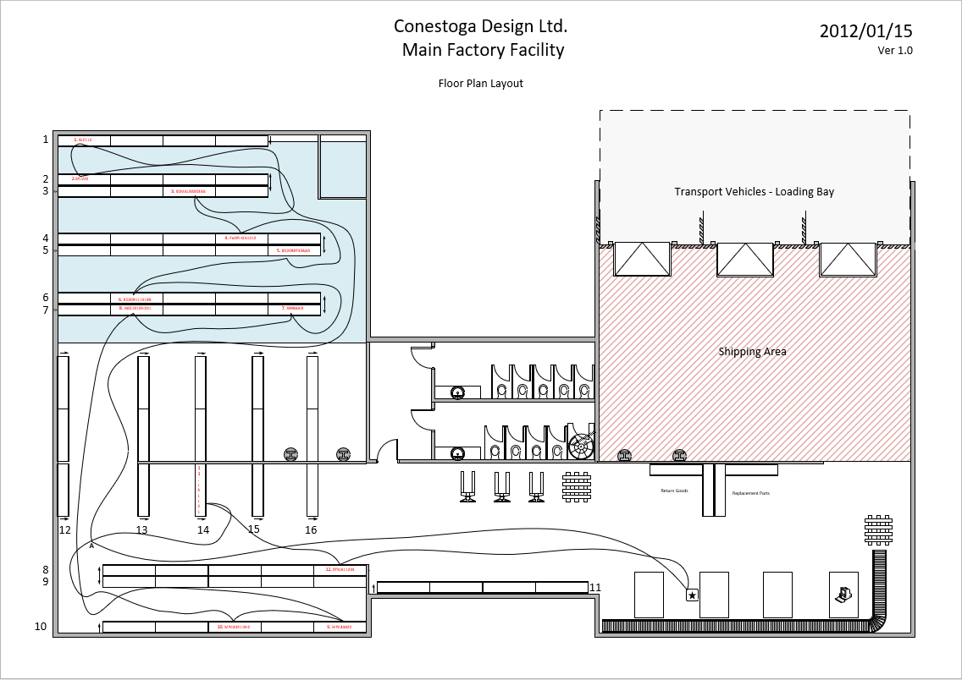
Pick Up Analysis AS-IS
Max Metres/min | 100 | m
Min Metres/min | 83.33 | m
Pick Up Action | 5 | Sec

Spaghetti Analysis
Starting Point | Ending point | Location | Distance (metres) | Minutes Min | Minutes Max | Minutes Avg | Pick Up Action | Total avg Time
Champion | Point A |  | 27.04 | 0.27 | 0.32 | 0.30 | 0.00 | 0.30
Point A | Component 1 | Shelf 1 - Bay A | 37.18 | 0.37 | 0.45 | 0.41 | 0.08 | 0.49
Component 1 | Component 2 | Shelf 2 - Bay A | 1.93 | 0.02 | 0.02 | 0.02 | 0.08 | 0.10
Component 2 | Component 3 | Shelf 3 - Bay C | 15.23 | 0.15 | 0.18 | 0.17 | 0.08 | 0.25
Component 3 | Component 4 | Shelf 4 - Bay D | 2.85 | 0.03 | 0.03 | 0.03 | 0.08 | 0.11
Component 4 | Component 5 | Shelf 5 - Bay E | 8.13 | 0.08 | 0.10 | 0.09 | 0.08 | 0.17
Component 5 | Component 6 | Shelf 6 - Bay B | 7.07 | 0.07 | 0.08 | 0.08 | 0.08 | 0.16
Component 6 | Component 7 | Shelf 7 - Bay E | 13.1 | 0.13 | 0.16 | 0.14 | 0.08 | 0.23
Component 7 | Component 8 | Shelf 7 - Bay B | 7.54 | 0.08 | 0.09 | 0.08 | 0.08 | 0.17
Component 8 | Component 9 | Shelf 10 - Bay E | 25.54 | 0.26 | 0.31 | 0.28 | 0.08 | 0.36
Component 9 | Component 10 | Shelf 10 - Bay C | 5.01 | 0.05 | 0.06 | 0.06 | 0.08 | 0.14
Component 10 | Component 11 | Shelf 14 - Bay A | 18.27 | 0.18 | 0.22 | 0.20 | 0.08 | 0.28
Component 11 | Component 12 | Shelf 8 - Bay E | 6.68 | 0.07 | 0.08 | 0.07 | 0.08 | 0.16
Component 12 | Champion |  | 16.28 | 0.16 | 0.20 | 0.18 | 0.00 | 0.18
Total |  |  | 191.85 | 1.92 | 2.30 | 2.11 | 1.00 | 3.11

Picking TO-BE
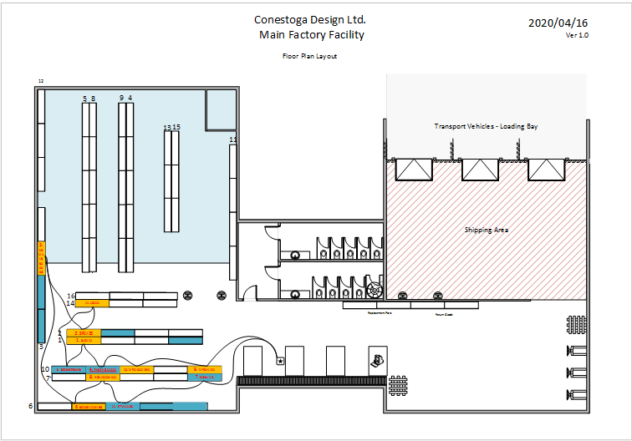
Pick Up Analysis TO-BE
Max Metres/min | 100 | m
Min Metres/min | 83.33 | m
Pick Up Action | 5 | Sec

Spaghetti Analysis - Option 1
Starting Point | Ending point | Location | Distance (metres) | Minutes Min | Minutes Max | Minutes Avg | Pick Up Action | Total avg Time
Champion | Component 9 | Shelf 10 - Bay E | 6.24 | 0.06 | 0.07 | 0.10 | 0.08 | 0.18
Component 9 | Component 10 | Shelf 10 - Bay C | 4.87 | 0.05 | 0.06 | 0.08 | 0.08 | 0.16
Component 10 | Component 4 | Shelf 10 - Bay B | 2.87 | 0.03 | 0.03 | 0.05 | 0.08 | 0.13
Component 4 | Component 1 | Shelf 1 - Bay A | 2.18 | 0.02 | 0.03 | 0.03 | 0.08 | 0.12
Component 1 | Component 5 | Shelf 10 - Bay A | 2.04 | 0.02 | 0.02 | 0.03 | 0.08 | 0.12
Component 5 | Component 11 | Shelf 14 - Bay A | 5.52 | 0.06 | 0.07 | 0.09 | 0.08 | 0.17
Component 11 | Component 2 | Shelf 2 - Bay A | 1.97 | 0.02 | 0.02 | 0.03 | 0.08 | 0.11
Component 2 | Component 3 | Shelf 3 - Bay C | 5.73 | 0.06 | 0.07 | 0.09 | 0.08 | 0.18
Component 3 | Component 6 | Shelf 6 - Bay B | 11.2 | 0.11 | 0.13 | 0.18 | 0.08 | 0.26
Component 6 | Component 8 | Shelf 7 - Bay B | 2.62 | 0.03 | 0.03 | 0.04 | 0.08 | 0.13
Component 8 | Component 12 | Shelf 6 - Bay C | 2.08 | 0.02 | 0.02 | 0.03 | 0.08 | 0.12
Component 12 | Component 7 | Shelf 7 - Bay E | 5.93 | 0.06 | 0.07 | 0.09 | 0.08 | 0.18
Component 7 | Champion |  | 7.92 | 0.08 | 0.10 | 0.13 | 0.00 | 0.13
Total |  |  | 61.17 | 0.61 | 0.73 | 0.98 | 1.00 | 1.98

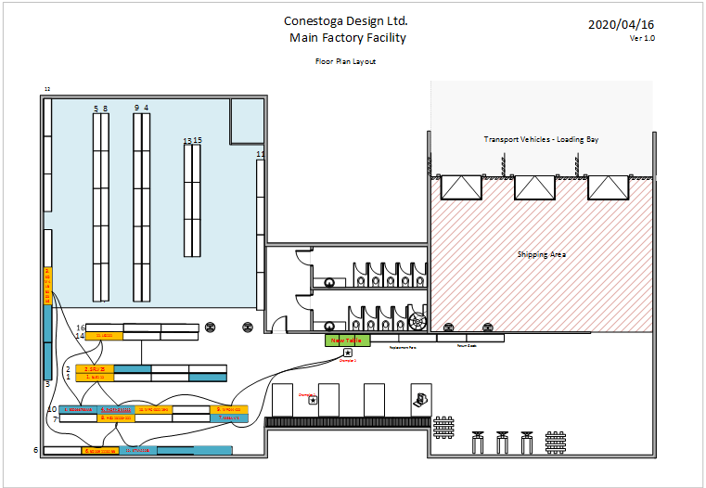

Spaghetti Analysis - Option 2
Champion 2 is created for eliminating wait time of the Pickup Worker, and the green table is the place to put components after picking tasks.
Assembly workers are going to pick the components there to keep the tables organized.
Starting Point | Ending point | Location | Distance (metres) | Minutes Min | Minutes Max | Minutes Avg | Pick Up Action | Total avg Time
Champion 2 | Component 9 | Shelf 10 - Bay E | 7.80 | 0.08 | 0.09 | 0.12 | 0.08 | 0.21
Component 9 | Component 10 | Shelf 10 - Bay C | 4.87 | 0.05 | 0.06 | 0.08 | 0.08 | 0.16
Component 10 | Component 4 | Shelf 10 - Bay B | 2.87 | 0.03 | 0.03 | 0.05 | 0.08 | 0.13
Component 4 | Component 1 | Shelf 1 - Bay A | 2.18 | 0.02 | 0.03 | 0.03 | 0.08 | 0.12
Component 1 | Component 5 | Shelf 10 - Bay A | 2.04 | 0.02 | 0.02 | 0.03 | 0.08 | 0.12
Component 5 | Component 11 | Shelf 14 - Bay A | 5.52 | 0.06 | 0.07 | 0.09 | 0.08 | 0.17
Component 11 | Component 2 | Shelf 2 - Bay A | 1.97 | 0.02 | 0.02 | 0.03 | 0.08 | 0.11
Component 2 | Component 3 | Shelf 3 - Bay C | 5.73 | 0.06 | 0.07 | 0.09 | 0.08 | 0.18
Component 3 | Component 6 | Shelf 6 - Bay B | 11.20 | 0.11 | 0.13 | 0.18 | 0.08 | 0.26
Component 6 | Component 8 | Shelf 7 - Bay B | 2.62 | 0.03 | 0.03 | 0.04 | 0.08 | 0.13
Component 8 | Component 12 | Shelf 6 - Bay C | 2.08 | 0.02 | 0.02 | 0.03 | 0.08 | 0.12
Component 12 | Component 7 | Shelf 7 - Bay E | 5.93 | 0.06 | 0.07 | 0.09 | 0.08 | 0.18
Component 7 | Champion 2 |  | 9.19 | 0.09 | 0.11 | 0.15 | 0.00 | 0.15
Total |  |  | 64.00 | 0.64 | 0.77 | 1.02 | 1.00 | 2.02

Attitude Survey
Workers Attitude Survey Result of Attitudes toward Change as of Mar 24, 2015 Pivot Table
Count by Attitude Code
Code Description | Attitude Code | Count
No Change Needed | 1 | 2
Minor Tweaks / New Equipment Needed | 2 | 7
Training / Work Optimization Needed | 3 | 9
Movement Changes Needed | 4 | 10
Layout (and 4,3,2) Changes Needed | 5 | 5
Total New facility needed | 6 | 3
 | Grand Total | 36

 | 1 | 2 | 3 | 4 | 5 | 6
1 | 1 | 3 | 4 | 4 | 1 | 1
2 | 1 | 1 | 3 | 4 | 3 | 2
as needed |  | 1 |  | 1
Days |  | 2 | 2 | 1 | 1
Attitude Code by Shift
Count of Employee # | Column Labels
Shift | 1 | 2 | 3 | 4 | 5 | 6 | Grand Total
1 | 1 | 3 | 4 | 4 | 1 | 1 | 14
2 | 1 | 1 | 3 | 4 | 3 | 2 | 14
as needed |  | 1 |  | 1 |  |  | 2
Days |  | 2 | 2 | 1 | 1 |  | 6
Grand Total | 2 | 7 | 9 | 10 | 5 | 3 | 36

 | 1 | 2 | 3 | 4 | 5 | 6
Product and Process Designers |  | 1 |  | 1
Purchasing Agents |  |  | 2
Quality Control Tech |  | 1 | 1 | 1
Shift / Maintenance Manager |  | 1 |  | 1 | 1
Shipper / Receivers |  | 1 |  |  | 1
Team Lead |  |  | 2 | 2 |  | 2
Team Maintenance | 2 | 2 |  | 1 | 1
Team Member |  | 1 | 4 | 4 | 2 | 1
Attitude Code by Role
Count of Employee # | Column Labels
Role | 1 | 2 | 3 | 4 | 5 | 6 | Grand Total
Product and Process Designers |  | 1 |  | 1 |  |  | 2
Purchasing Agents |  |  | 2 |  |  |  | 2
Quality Control Tech |  | 1 | 1 | 1 |  |  | 3
Shift / Maintenance Manager |  | 1 |  | 1 | 1 |  | 3
Shipper / Receivers |  | 1 |  |  | 1 |  | 2
Team Lead |  |  | 2 | 2 |  | 2 | 6
Team Maintenance | 2 | 2 |  | 1 | 1 |  | 6
Team Member |  | 1 | 4 | 4 | 2 | 1 | 12
Grand Total | 2 | 7 | 9 | 10 | 5 | 3 | 36

 | 1 | 2 | 3 | 4 | 5 | 6
Product and Process Designers |  | 1 |  | 1
Purchasing Agents |  |  | 2
Quality Control Tech |  | 1 | 1 | 1
Shift / Maintenance Manager |  | 1 |  | 1 | 1
Shipper / Receivers |  | 1 |  |  | 1
Team Lead |  |  | 2 | 2 |  | 2
Team Maintenance | 2 | 2 |  | 1 | 1
Team Member |  | 1 | 4 | 4 | 2 | 1

